Sheet1
Name | Designation | Movie | Image
Aamir Khan | Actor | Taare Zameen Par | 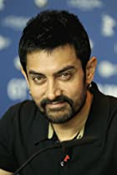
Akshay Kumar | Actor | Hera Pheri | 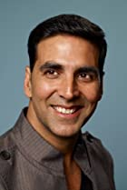
Ajay Devgn | Actor | Shivaay | 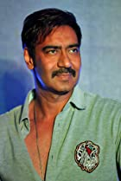
Amjad Khan | Actor | Sholay | 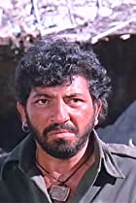
Amitabh Bachchan | Actor | Black | 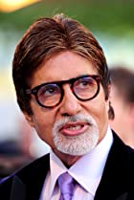
Amol Palekar | Director | Kairee | 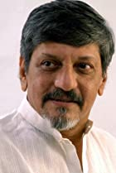
Abhay Deol | Actor | Zindagi Na Milegi Dobara | 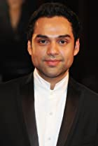
Akshaye Khanna | Actor | Dil Chahta Hai | 
Arshad Warsi | Actor | Munna Bhai M.B.B.S. | 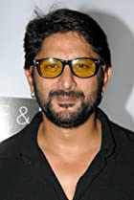
Anushka Shetty | Actress | Bãhubali 2: The Conclusion | 
Atul Kulkarni | Actor | Rang De Basanti | 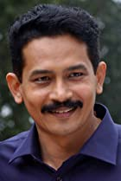
Asrani | Actor | Sholay | 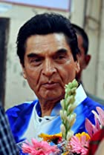
Ayushmann Khurrana | Actor | Andhadhun | 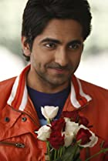
Aruna Irani | Actress | Caravan | 
Annu Kapoor | Actor | Vicky Donor | 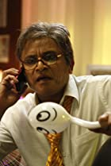
Ashish Vidyarthi | Actor | 24 | 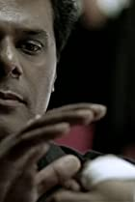
Adil Hussain | Actor | Life of Pi | 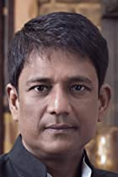
Anupam Kher | Actor | Silver Linings Playbook | 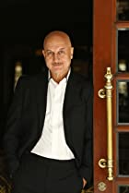
Anil Kapoor | Actor | Slumdog Millionaire | 
Amrish Puri | Actor | Indiana Jones and the Temple of Doom | 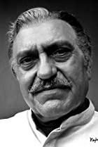
Amole Gupte | Writer | Taare Zameen Par | 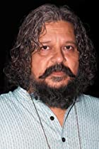
Boman Irani | Actor | 3 Idiots | 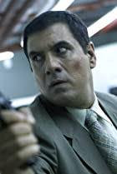
Balraj Sahni | Writer | Baazi | 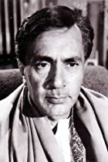
Binnu Dhillon | Actor | Dev.D | 
Bharat Bhushan | Actor | Gateway of India | 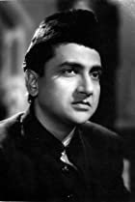
Chiranjeevi | Actor | Shankar Dada MBBS | 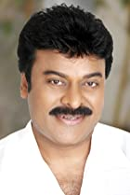
Chunky Pandey | Actor | Don | 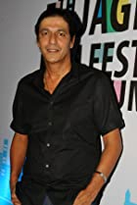
Danny Denzongpa | Actor | Baby | 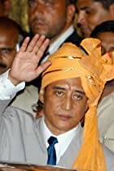
Darsheel Safary | Actor | Taare Zameen Par | 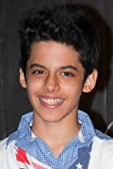
Deepak Tijori | Director | Fox | 
Dharmendra | Actor | Sholay | 
Deepika Padukone | Actress | Yeh Jawaani Hai Deewani | 
Dimple Kapadia | Actress | Dil Chahta Hai | 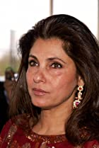
Dev Anand | Actor | Kala Bazar | 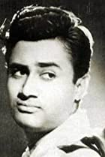
Deepti Naval | Actress | Lion | 
Dilip Kumar | Actor | Gunga Jumna | 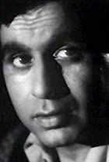
Farooq Shaikh | Actor | Yeh Jawaani Hai Deewani | 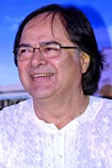
Farhan Akhtar | Producer | Zindagi Na Milegi Dobara | 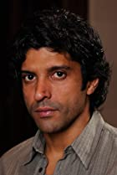
Feroz Khan | Actor | Janasheen | 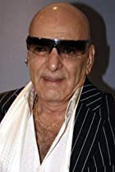
Farida Jalal | Actress | Dilwale Dulhania Le Jayenge | 
Guru Dutt | Actor | Sahib Bibi Aur Ghulam | 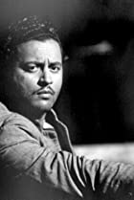
Govinda | Actor | Partner | 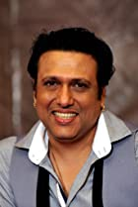
Gulshan Grover | Actor | Badman | 
Gurpreet Ghuggi | Actor | Race | 
Girish Karnad | Writer | Ondanondu Kaladalli | 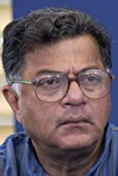
Hrithik Roshan | Actor | Super 30 | 
Huma Qureshi | Actress | Gangs of Wasseypur | 
Inaamulhaq | Actor | Filmistaan | 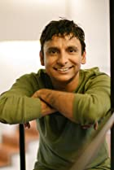
Irrfan Khan | Actor | Dabba | 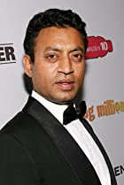
Jackie Shroff | Actor | Devdas | 
Jimmy Sheirgill | Actor | A Wednesday | 
Jeetendra | Actor | Kalyug Ke Avtaar | 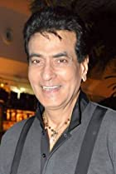
Jaspal Bhatti | Actor | Fanaa | 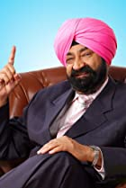
Johnny Lever | Actor | Kuch Kuch Hota Hai | 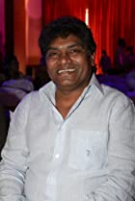
Jaswinder Bhalla | Actor | Carry on Jatta
Kamal Haasan | Actor | Vishwaroopam | 
Kangana Ranaut | Actress | Queen | 
Konkona Sen Sharma | Actress | Omkara | 
Kader Khan | Actor | Taqdeerwala | 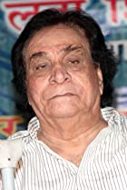
Kay Kay Menon | Actor | Haider | 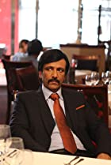
Kajol | Actress | Kuch Kuch Hota Hai | 
Kulbhushan Kharbanda | Actor | Lagaan: Once Upon a Time in India | 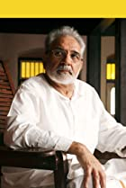
Kalki Koechlin | Actress | Yeh Jawaani Hai Deewani | 
Kapil Sharma | Actor | Comedy Nights with Kapil | 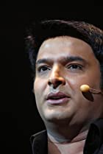
Krishna Abhishek | Actor | Bol Bachchan | 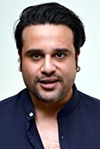
Karuna Bannerjee | Actress | Aparajito | 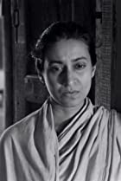
Kanwaljit Singh | Actor | 15 Park Avenue | 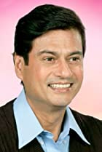
Lara Dutta | Actress | Don 2 | 
Manjot Singh | Actor | Oye Lucky! Lucky Oye! | 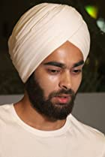
Manu Rishi Chadha | Actor | Oye Lucky! Lucky Oye! | 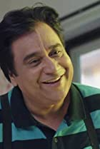
Mehmood | Actor | Bombay to Goa | 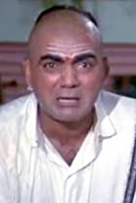
Mukesh Tiwari | Actor | Dilwale | 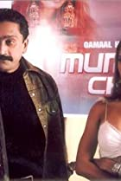
Mammootty | Actor | Mathilukal | 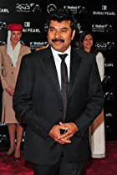
Makrand Deshpande | Actor | Hanan | 
Madhavan | Actor | Vikram Vedha | 
Mohanlal | Actor | Dasharatham | 
Mita Vasisht | Actress | Droh Kaal | 
Manoj Bajpayee | Actor | Gangs of Wasseypur | 
Manoj Joshi | Actor | Devdas | 
Madhuri Dixit | Actress | Devdas | 
Mohnish Bahl | Actor | Hum Aapke Hain Koun...! | 
Mithun Chakraborty | Actor | OMG: Oh My God! | 
Mukesh Khanna | Actor | Mahabharat | 
Mukul Dev | Actor | 21 Sarfarosh Saragarhi 1897 | 
Madhubala | Actress | Mughal-E-Azam | 
Meena Kumari | Actress | Kaajal | 
Mala Sinha | Actress | Jahan Ara | 
Manoj Pahwa | Actor | Article 15 | 
Manoj Kumar | Actor | Roti Kapada Aur Makaan | 
Nassar | Actor | Bãhubali 2: The Conclusion | 
Naseeruddin Shah | Actor | The League of Extraordinary Gentlemen | 
Nandita Das | Writer | Firaaq | 
Nagarjuna Akkineni | Actor | Rajanna | 
Nana Patekar | Actor | Krantiveer | 
Nawazuddin Siddiqui | Actor | Bajrangi Bhaijaan | 
Nargis | Actress | Raat Aur Din | 
Nirupa Roy | Actress | Chhaya | 
Nutan | Actress | Seema | 
Neeraj Kabi | Actor | Ship of Theseus | 
Navin Nischol | Actor | Zorro | 

